Dashboard
Freezer Inventory Dashboard

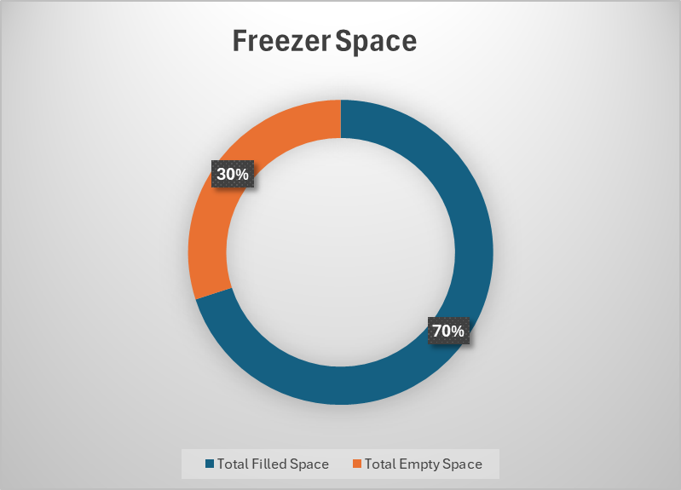
 |  | Plate ID | Building | Room | Freezer | Shelf | Rack | Position | Biogical Agent | BSL | Project | Permit | TRAC
 |  | #NAME?

Collection | Number of Unique Plates

